Intro
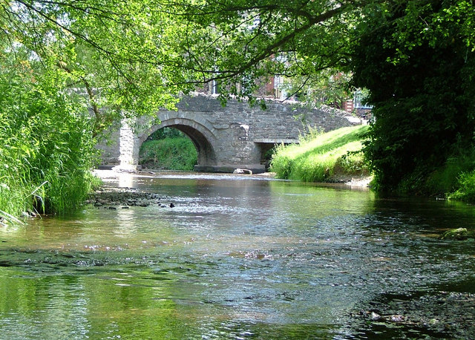

Nutrient Neutrality Budget Calculator

a tool for assessing the nutrient loading to a Habitats Site
River Clun SAC

This Photo by Unknown Author is licensed under CC BY-SA

Background
Background

There have been a series of court cases in recent years relating to how new plans or projects interact with the Habitats Regulations process where there are existing high levels of background nutrients. These decisions have led Natural England to review its advice on water quality effects on Habitats sites.
The additional nutrient load from the increase in wastewater and/or the change in the land use of the development land created by a new residential development can create an impact pathway for potential negative effects on Habitats sites that are already suffering from problems related to nutrient loading. This impact pathway is shown diagrammatically in Figure 1.

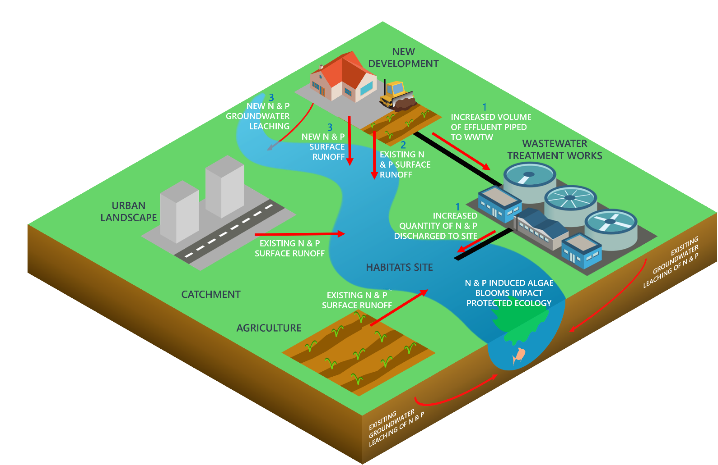
Figure 1:

Habitats Regulations Assessments (HRAs) of new residential developments need to consider whether nutrient loading will result in ‘Likely Significant Effects’ (LSE) on a Habitats site. If an HRA finds LSE due to nutrient loading, the Appropriate Assessment will need to consider whether this nutrient load needs to be mitigated in order to remove adverse effects on the Habitats site.
The first step in an HRA involving nutrient neutrality is understanding both whether a residential development will need mitigation to achieve nutrient neutrality and, if so, the amount of nutrients that require mitigating on an annual basis. In order to understand the amount of nutrients a new residential development will create, a nutrient budget for the development is required.
This tool provides a step-by-step approach to calculating the nutrient budget for a new residential development. Before a nutrient budget can be completed using the methodology, certain site-specific details for the Habitats Site in question need to be determined. The required details for each stage of the nutrient budget methodology are shown in the instructions tab, with an associated guidance document that informs users of this calculator how to generate certain inputs to the calculator.

River Clun SAC
River Clun Special Area of Conservation (SAC)

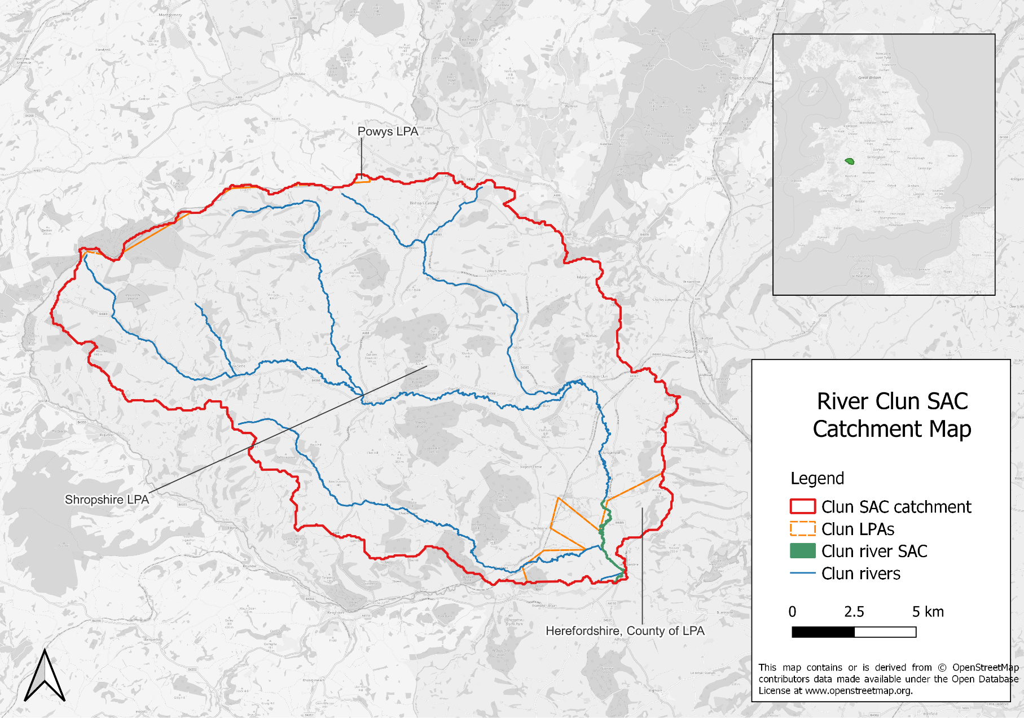
The River Clun SAC is a Habitats site with water pollution and eutrophication considered a threat to its condition.
The River Clun is a tributary of the River Teme, which is the second largest tributary of the River Severn. The Clun drains a hilly, predominantly rural catchment of sandstones and mudstones.
The SAC includes only the lower reaches of the River Clun and extends upstream from its confluence with the River Teme to Broadward Bridge near Marlow. This section of the river holds an important population of the freshwater pearl mussel, which have a requirement for very good water quality. This is one of the few remaining populations of pearl mussel left in the lowlands of the UK.
Increased levels of nitrogen and phosphorous entering aquatic environments via surface water and groundwater can severely threaten these sensitive habitats and species within the SAC. The elevated levels of nutrients can cause eutrophication, leading to algal blooms which disrupt normal ecosystem function and cause major changes in the aquatic community. These algal blooms can result in reduced levels of oxygen within the water, which in turn can lead to the death of many aquatic organisms including invertebrates and fish.
More detailed information on the qualifying features of the SAC and details of water quality data highlighting the current nutrient problems in the river are available in the Natural England River Clun SAC evidence summary.

Instructions
Instructions

The nutrient budget for a site is calculated in four stages, with each stage implemented in the following worksheets.

Stage 1
Nutrient loading from additional wastewater
Stage 2
Nutrient loading from current land use
Stage 3
Nutrient loading from future land use
Stage 4
Nutrient budget calculation

1. General tips:

 | Key:
 |  | Values to be entered by the user
 |  | Fixed or calculated values
 |  | Lookup tables

When a cell is selected, instructions are shown on how to fill out the cell:

It is advisable to retain a blank copy of this workbook and "Save as" a new copy each time you calculate a budget, in case of any mistakes in data inputs or to ease calculation of new nutrient budgets .

Note:
The values already included in this tool have been chosen based on research to determine suitable inputs to the nutrient budget that meet the HRA tests of beyond reasonable scientific doubt, in perpetuity (practically speaking this is 80-125 years) and in accordance with the precautionary principle. If editing any values in this tool, you must make sure there is a sufficient evidence base to justify these changes and that the new inputs are selected in accordance with the precautionary principle.

2. Stage specific instructions:

2.1 Stage 1: calculate the new nutrient load associated with the additional wastewater:

In this section the user will need to enter:
The date of first occupancy. This is because some wastewater treatment works (WwTW) may be due an upgrade in 2025 which will change the nutrient concentration permit values. This will be shown through two values for the permits and nutrients load from before and after the upgrade.
The average occupancy rate of the development will need to be entered. The default setting is the national occupancy rate of 2.4 people per dwelling/unit. Only change this value if there is sufficient evidence that the development will be different to the national average.
The number of dwellings/units that will be in the development at the time of completion.
The receiving WwTW that the development will drain to. If it is uncertain what WwTW the site will drain to, please find this information from your sewerage company before completing the calculator. If it is not feasable to connect to a WwTW and a septic tank or package treatment plant is being used, please select this option. Please be aware that if the total nitrogen (TN) or total phosphorus (TP) final effluent concentrations (in mg/l) are specified by the manufacturer, please select 'Septic Tank user defined' or 'Package Treatment Plant user defined' and enter the manufacturer specified value in the cell where prompted.
2.2 Stage 2 - calculate the annual nutrient load from existing (pre development) land use on the development site:
In this section some environmental information about the development will need to be entered as well as the type(s) and area(s) of landcover on the development site. Only landcovers for the land that is being altered by the development should be entered.
The drop down list of landcover types contains seven agricultural landcover types and eight different non-agricultural landcover types that may be present in the development. Please find out what landcover types are within the development before completing this tool. If there is a landcover within the development area that is not in the list please select the most similar landcover type.
The instructions at the bottom of this page detail how to find the environmental information for the site if it is unknown.

2.3 Stage 3 - calculate the annual nutrient load from new (post-development) land use on the development site:
In this section the user will need to select the type(s) and area(s) of the landcover present on the new site.
The drop down list of landcover types contains eight different landcover types that may be present on the development site. Please find out what landcover types will be within the development site before completing this tool. If there is a landcover within the development site that is not in the list please select the most similar landcover type.
The guidance document that accompanies this calculator breaks down what is included in each landcover type.

2.4 Stage 4 - calculate the net change in nutrient loading for the site and the final annual nutrient budget for the development site:
This final stage automatically calculates the results from Stage 1-3 using the equation below.
The value(s) shown are how much nutrient mitigation is required in kilograms per year to achieve nutrient neutrality.
If there are two values due to changing permits, the calculator will show the total amount of nutrient mitigation that is needed before and after the changing permit date.

2.5 The equation used to calculate the nutrient budget:

3. Site specific data collection instructions:

3.1 Instructions for finding the Operational Catchment that the development is situated within:
a) Go to this link: |  | http://environment.data.gov.uk/catchment-planning/
b) Search the location by place name, postcode etc. This will give a high-level view of the area. Use the zoom feature to find the exact location of the development.
c) Click on the light blue area on the map in which the development is located. This will bring the user to the Operational Catchment page
d) Make note of the name of the Operational Catchment and select it from the dropdown list in the relevant cell.

3.2 Instructions for finding the drainage associated with the predominant soil type within development site:
a) Go to this link: |  | http://www.landis.org.uk/soilscapes/#.
b) Find the site location on the map by using the search bar on the right side of the map in the 'Search' tab. Searching an area will generate a pop up window in which you can view the soil information by clicking 'View soil information'. If this is not an option then click on the relevant soil type on the map and click on the 'Soil information' tab on the right hand side of the map, below the 'Search' tab.
c) The 'Soil drainage type' value can be found In the 'Soil information' under the title 'Drainage:'
d) Make a note of this soil type and select the relevant soil drainage type from the drop down list in the relevant cell.

3.3 Instructions for finding the annual average rainfall that the development will receive using the National River Flow Archive:
a) Go to this link: |  | https://nrfa.ceh.ac.uk/data/station/spatial/54054
...

